Sheet1
IA BALANCE set up (set up master)

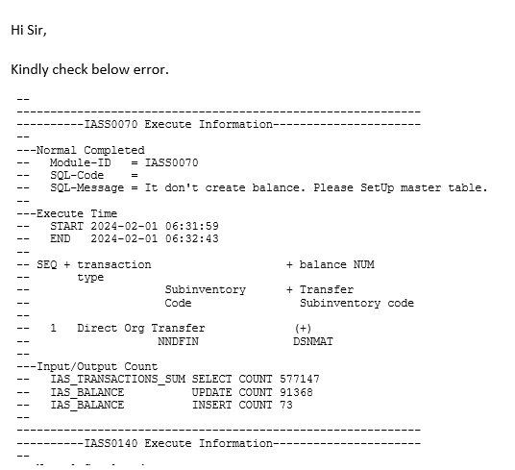

 |  |  | Error na marereceive mo

 |  | GAGAWIN

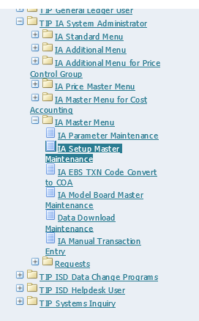

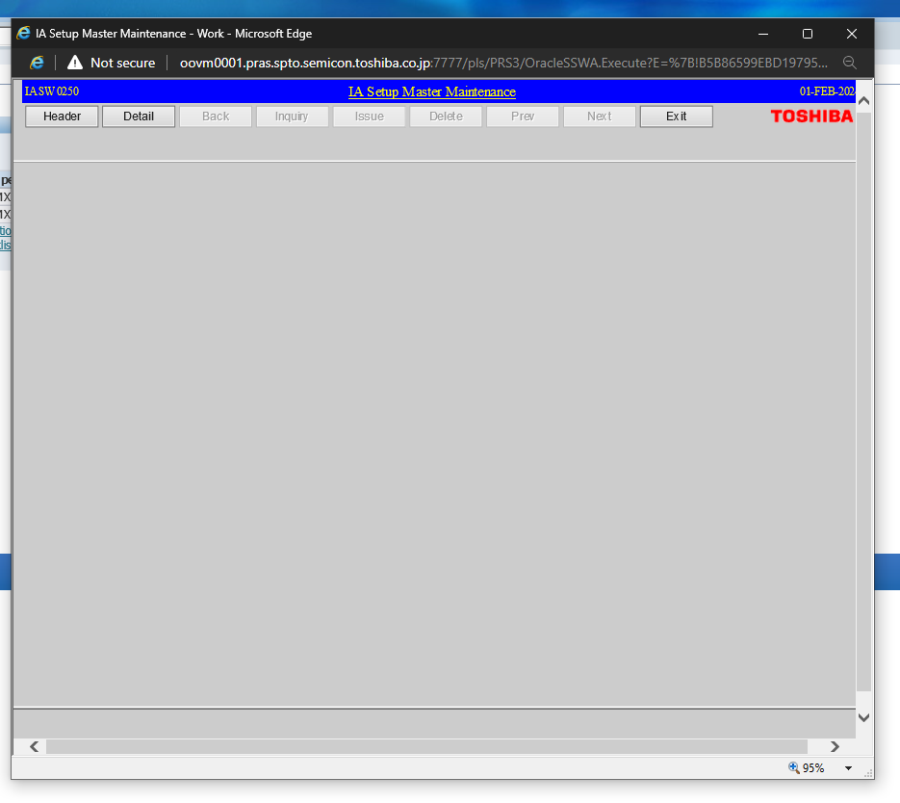

 |  |  |  |  | click detail

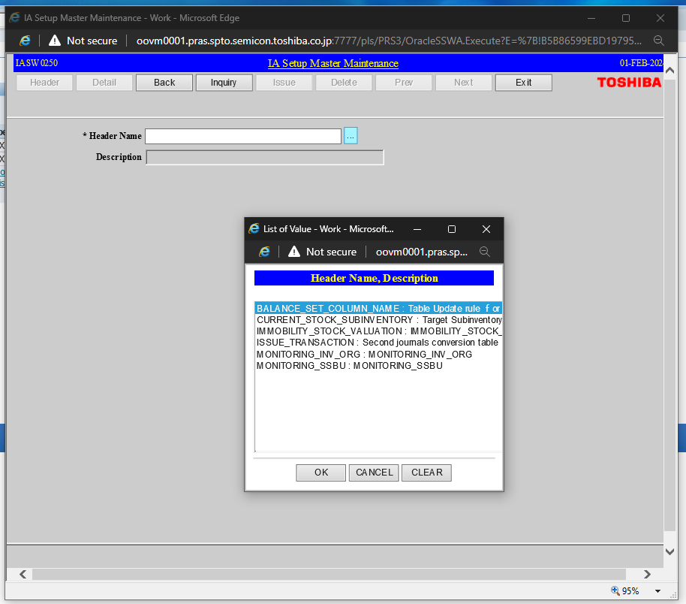

 |  |  |  | click LOV on header name

 |  |  |  | choose 'BALANCE_SET_COLUMN_NAME'

 |  |  |  | click OK

 |  |  |  | Then click 'INQUIRY'

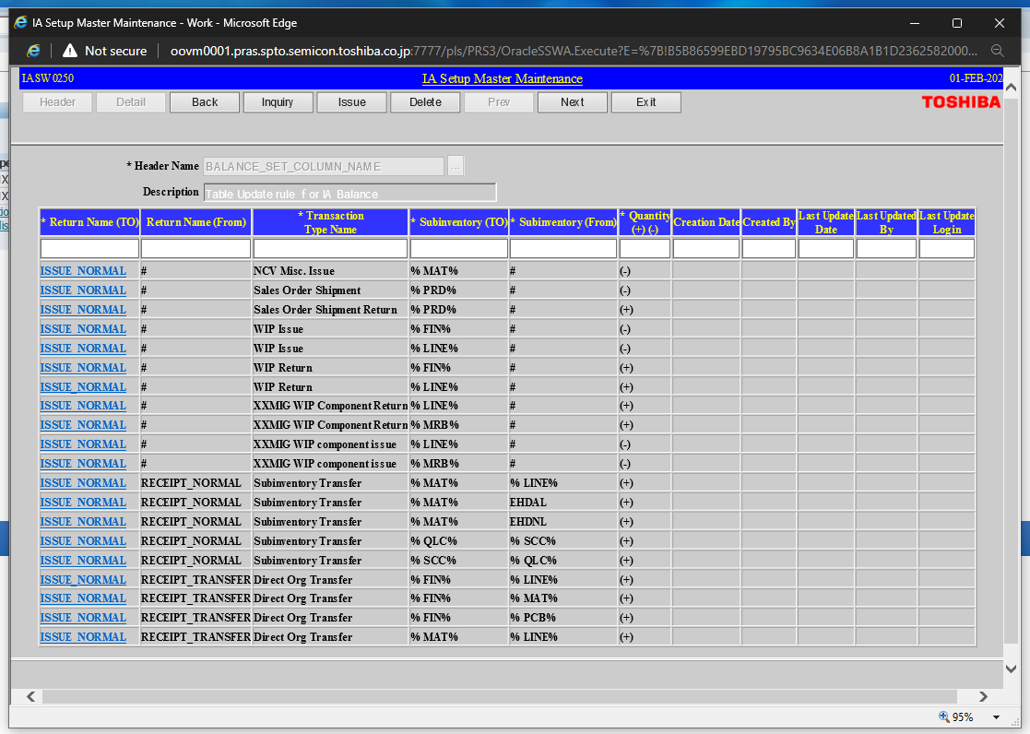

 |  |  |  |  |  | tingnan ang transaction type name column

 |  |  |  |  |  | BASAHIN MO TRANSACTION TYPE SA EMAIL

 |  |  |  |  |  | THEN MAG BASE KA NG RETURN NAME(TO) AND (FROM) SA TRANSACTION TYPE NAME

 | THEN SA SUBINVENTORY(TO) AT (FROM)

 |  |  | YAN ILALAGAY PERO %FIN% WHICH IS YUNG DULO NG SUB CODE

 |  |  | THEN SA (FROM) is %MAT% which is yung dulo ulit

 |  |  | kung wlang transfer sub inventory code edi lagay nalang ng '#'

